Composite
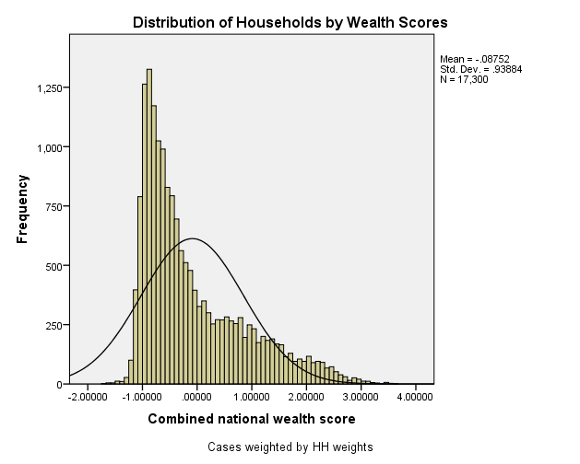
Combined Scores

 | Urban Area

 |  | Coefficientsa
 |  | Model |  | Unstandardized Coefficients |  | Standardized Coefficients | t | Sig.
 |  |  |  | B | Std. Error | Beta
 |  | 1 | (Constant) | 0.683 | 0.003 |  | 235.666 | 0.000
 |  |  | urbscore Urban wealth score | 1.104 | 0.003 | 0.980 | 380.703 | 0.000
 |  | a. Dependent Variable: comscore Common wealth score

 |  |  | Combined Score= .683 + 1.104 * Urban Score

 | Rural

 |  | Coefficientsa
 |  | Model |  | Unstandardized Coefficients |  | Standardized Coefficients | t | Sig.
 |  |  |  | B | Std. Error | Beta
 |  | 1 | (Constant) | -0.356 | 0.001 |  | -409.169 | 0.000
 |  |  | rurscore Rural wealth score | 0.694 | 0.001 | 0.991 | 796.715 | 0.000
 |  | a. Dependent Variable: comscore Common wealth score

 |  |  | Combined Score= -.356 + .694 * Rural Score

 | Combined Score

 |  | Statistics
 |  | combscor Combined national wealth score
 |  | N | Valid | 17300
 |  |  | Missing | 0
 |  | Mean |  | -0.0875172
 |  | Std. Error of Mean |  | 0.00713783
 |  | Median |  | -0.4280597
 |  | Mode |  | -1.00899
 |  | Std. Deviation |  | 0.93883558
 |  | Skewness |  | 1.162
 |  | Std. Error of Skewness |  | 0.019
 |  | Kurtosis |  | 0.597
 |  | Std. Error of Kurtosis |  | 0.037
 |  | Minimum |  | -1.72697
 |  | Maximum |  | 3.60447
 |  | Percentiles | 20 | -0.8607636
 |  |  | 40 | -0.6020726
 |  |  | 60 | -0.1889104
 |  |  | 80 | 0.7166138

 | histrogram

